Photo
Item Number
1 | Top Left Hinge Kit |  |  | FA100K010
 |  | HINGE TOP ASSEMBLY | STS304 | F0131C030
 |  | HINGE SHAFT | ZNDC2(Cr) | F0155C010
 |  | SPRING(LEFT) | PW2+ZN | F0158C010
2 | Top Right Hinge Kit |  |  | FA100K020
 |  | HINGE TOP ASSEMBLY | STS304 | F0131C030
 |  | HINGE SHAFT | ZNDC2(Cr) | F0155C010
 |  | SPRING(RIGHT) | PW2+ZN | F0158C020
3 | Bottom Left hinge |  | STS304 | F0131C010
4 | Bottom Right Hinge |  | STS304 | F0131C020
5 | Door Left Assembly |  |  | F0100C030
 | Door Left Assembly |  |  | F0100C090
 | Door Left Assembly |  |  | F0100C050
6 | Door Right Assembly |  |  | F0100C020
 | Door Right Assembly |  |  | F0100C100
 | Door Right Assembly |  |  | F0100C010
 | Door Right Assembly |  |  | F0100C040
7 | Cabinet Frame Cover Set |  | ABS, Black | FA100K030
 | Cabinet Frame Cover Set |  | ABS, Black | FA100K040
 | Cabinet Frame Cover Set |  | ABS, Black | FA100K050
 | Cabinet Frame Cover Set |  | ABS, Black | FA100K060
5
6
7
 | 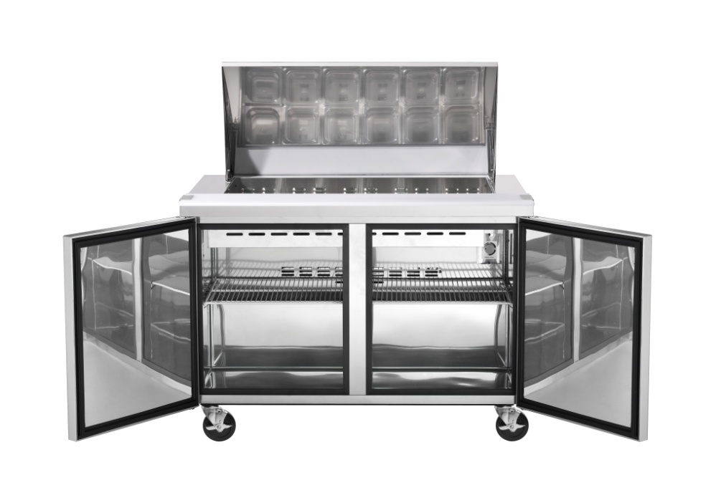
8 | Cabinet Frame Heater |  | 230V/25W | F0130C090
 | Cabinet Frame Heater |  | 230V/25W | F0130C100
 | Cabinet Frame Heater |  | 230V/25W | F0130C120
9 | Condenser Kit |  |  | FA100K070
 |  | Condenser | 8S*5R, 3/8" CU | F0166C030
 |  | HOT PIPE | OD 1/3" CU Pipe | F0147C120
 | 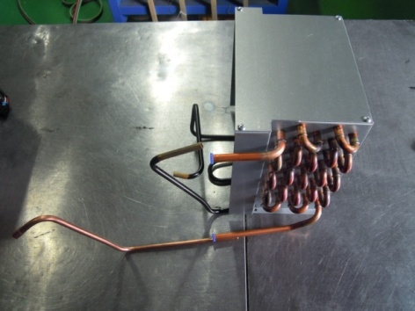
10 11 | Condenser Kit |  |  | FA100K080
 |  | Condenser | 8S*4R, 3/16"ST | F0166C110
 |  | HOT PIPE | OD 1/3" CU Pipe | F0147C110
 | Condenser Kit |  |  | FA100K090
 |  | Condenser | 10S*4R, 3/16"ST | F0166C100
 |  | HOT PIPE | OD 1/3" CU Pipe | F0147C110
 |  | 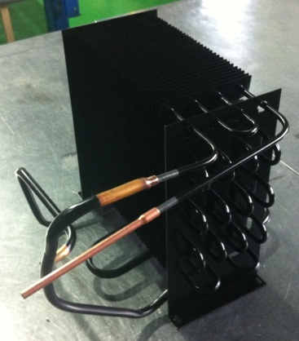
12 | Evaporator |  | 4S*3R, 3/8" CU | F0119C010
 | Evaporator |  | 4S*3R, 3/8" CU | F0119C020
 | Evaporator |  | 4S*3R, 3/8" CU | F0119C030
 | Evaporator |  | 4S*3R, 3/8" CU | F0119J010
 | Evaporator |  | 5S*3R, 3/8" CU | F0119C040
 | Evaporator |  | 5S*3R, 3/8" CU | F0119C050
 | Evaporator |  | 5S*3R, 3/8" CU | F0119C060
13 | Evaporator Fan Motor Kit |  |  | FA100K100
 |  | EVAPORATOR FAN MOTOR | 220V/50~60Hz | F0140C070
 |  | EVAPORATOR FAN | ABS, Φ110 | F0120C020
12
13
 |  | 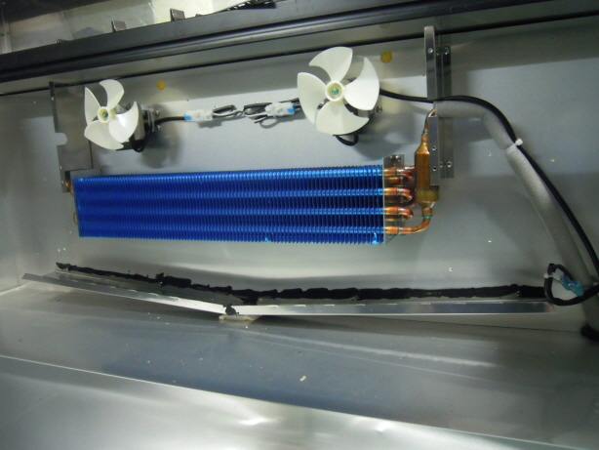
14 | Dryer |  | XH-9,30g | F0116C010
 | Dryer |  | XH-9,18g | F0116C020
15 | Capillay Tube |  | id01.2 x L3000 | F0147C160
 | Capillay Tube |  | id01.2 x L1650 | F0147C150
 | 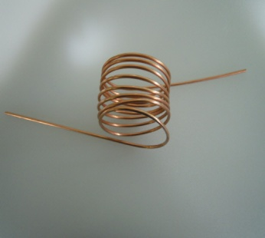 Capillay Tube |  | id01.0 x L3800 | F0147C190
16 | REF-Thermostat Kit |  |  | FA100K110
 |  | THERMOSTAT CONTROL | GNA-240L | F0163A020
 |  | KNOB | ABS | F0167A010
 |  | 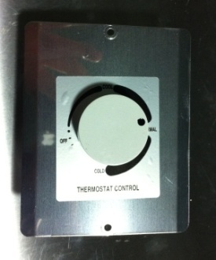 Plate Tuermostat | STS445 | F0148C010
17 | FRE-Thermostat Kit |  |  | FA100K120
 |  | THERMOSTAT CONTROL | GNA-240L-5 or GNA-240L-7 | F0163C010
 |  | KNOB | ABS | F0167A010
 |  | Plate Tuermostat | STS445 | F0148C020
 |  | 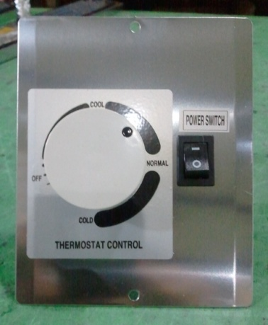 POWER SWITCH | 125V~220V /12A | F0161A010
18 | Bi-Metal Set |  |  | FA100K130
 |  | BI-METAL | PST-3A N9 | F0170C010
 | 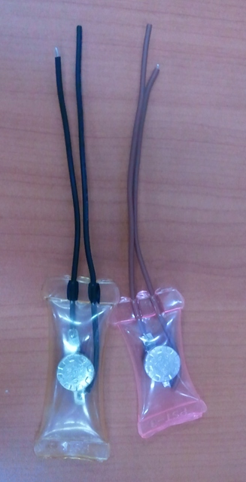 |  | PST-3A N80 | F0170C020
19 | MAIN POWER CORD |  | 220V 10A | F0111C020
20 | 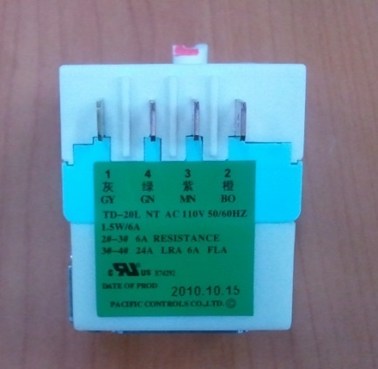 Timer |  | TD-20NT | F0151C020
21 | COMPRESSOR |  | SD162H-L1U | F0140A080
 |  |  | SK1A1Q-L2U | F0140C100
 |  |  | DK1A3H-L2W | F0140C180
22 | COMPRESSOR |  | AE2425ZK-SR | F0140C130
23 | HARNESS COMP. |  | AWM1015 | F0129C230
 | HARNESS COMP. |  |  | F0129C050
 | 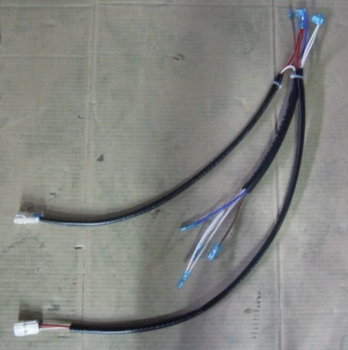 HARNESS COMP. |  |  | F0129C040
24 | DEFROST HEATER |  | 230V/300W | F0130C140
 | DEFROST HEATER |  | 230V/500W | F0130C150
 | 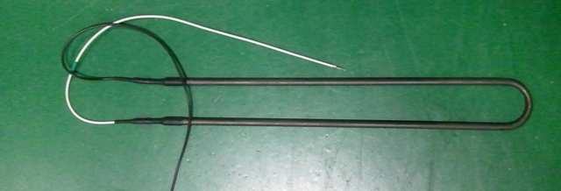 DEFROST HEATER |  | 230V/700W | F0130C160
25 | HEATER DRN-WIRE |  | 230V/16W | F0130C110
 | HEATER DRN-WIRE |  | 230V/30W | F0130C120
26 | Condenser Fan Motor Kit |  |  | FA100K140
 |  | CONDENSER FAN MOTOR(ccw) | 220V/9W/CCW | F0140C020
 | 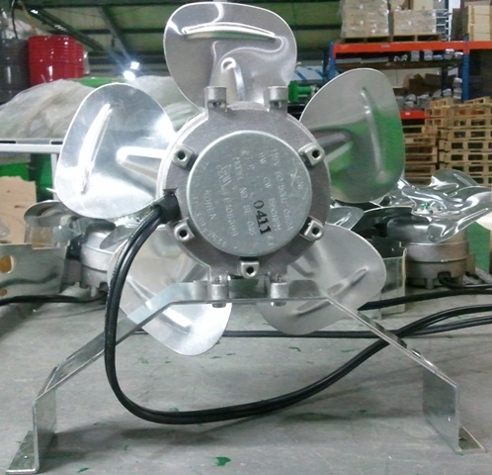 | CONDENSER FAN | AL Φ200 | F0120C030
27 | Condenser Fan Motor Kit |  |  | FA100K150
 |  | CONDENSER FAN MOTOR(cw) | 220V/6W/CW | F0140C030
 |  | CONDENSER FAN | AL Φ170 | F0120C040
28 | Shelf |  | 522(20.55") X 488(19.21") | F0156C010
 | Shelf |  | 392(15.43") X 488(19.21") | F0156C040
 | Shelf |  | 504(19.84") X 488(19.21") | F0156C020
 | 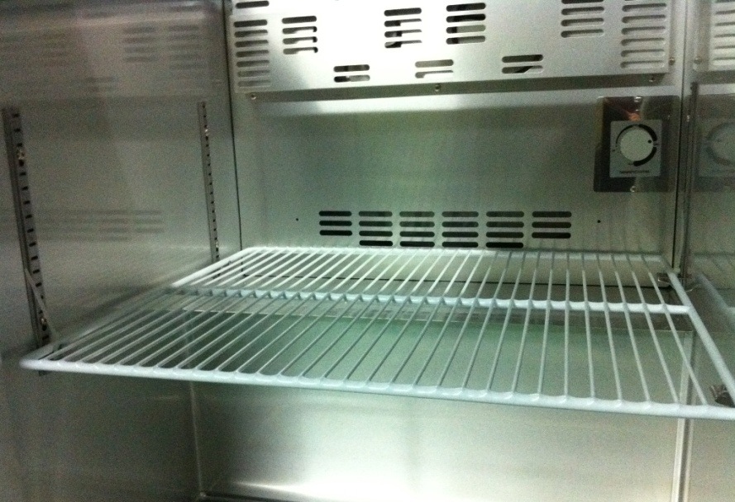 Shelf |  | 696(27.40") X 488(19.21") | F0156C030
29 | Shelf Pilaster |  | STS304 | F0146C010
 | Shelf Pilaster |  | STS304 (6"Pan Mega Top) | F0146C011
30 | Shelf Clip |  | STS304 | F0121C040
31 | Top Cover - Back [Sandwich/Salad Table] |  | STS430 | F0112C300
 |  |  | STS430 | F0112C820
 |  |  | STS430 | F0112C310
 |  |  | STS430 | F0112C520
 |  |  | STS430 | F0112C400
32 | Top Cover - Back [Mega Top ] |  | STS430 | F0112J090
 |  |  | STS430 | F0112J180
 |  |  | STS430 | F0112J100
 |  |  | STS430 | F0112J110
 |  |  | STS430 | F0112J120
33 | TOP COVER HINGE(LEFT) |  | STS304 | F0131C071
 |  | TOP COVER HINGE SHAFT | STS301 Φ8.0 | F0155J010
34 | TOP COVER HINGE(RIGHT) |  |  | F0131C081
 |  | TOP COVER HINGE SHAFT | STS301 Φ8.0 | F0155J010
35 | Top Cover - Front |  | STAINLESS STEEL | F0100C080
 | [Sandwich/Salad Table] |  | STAINLESS STEEL | F0100C110
 |  |  | STAINLESS STEEL | F0100C070
 |  |  | STAINLESS STEEL | F0112C510
 |  |  | STAINLESS STEEL | F0100C060
36 | Top Cover - Front |  | STAINLESS STEEL- 430 | F0100J130
 | [Mega Top ] |  | STAINLESS STEEL- 430 | F0100J160
 |  |  | STAINLESS STEEL- 430 | F0100J140
 |  |  | STAINLESS STEEL- 430 | F0100J150
A
37 | FIXTURE VESSEL (Pan supports ) |  | STAINLESS STEEL- 445NF | F0160C020
B
A
 |  |  | STAINLESS STEEL- 445NF | F0160C021
A
 |  |  | STAINLESS STEEL- 445NF | F0160C030
B
 |  |  | STAINLESS STEEL- 445NF | F0160C031
A
B
 |  |  | STAINLESS STEEL- 445NF | F0160J020
B
 |  |  | STAINLESS STEEL- 445NF | F0160J021
38 | VESSEL |  | STAINLESS STEEL | F0109C010
 | VESSEL |  | STAINLESS STEEL | F0109C020
 | VESSEL |  | POLYCARBONATE | F0109C040
 | VESSEL |  | POLYCARBONATE | F0109C030
39 | CUTTING BOARD |  | LDPE | F0103C010
 | CUTTING BOARD |  | LDPE | F0103C050
 | CUTTING BOARD |  | LDPE | F0103C020
 | CUTTING BOARD |  | LDPE | F0103C040
 | CUTTING BOARD |  | LDPE | F0103C030
40 | DOOR GASKET |  | PVC-S | F0124C010
 | DOOR GASKET |  | PVC-S | F0124Q010
 | DOOR GASKET |  | PVC-S | F0124C030
 | DOOR GASKET |  | PVC-S | F0124C020
41 | CASTER SET - 5" |  | 5"(127) Brake caster 1EA, Caster 1EA | FA100K160
 | CASTER SET - 4" |  | 4"(105) Brake caster 1EA, Caster 1EA | FA100K170
 | CASTER SET - 3" |  | 3"(76) Brake caster 1EA, Caster 1EA | FA100K180
 | CASTER SET - 2.5" |  | 2.5"(63.5) Brake caster 1EA, Caster 1EA | FA100K190
42 | Ass'y Supporter Pan [Salad Table ] |  | STAINLESS STEEL- 445NF | F0160C110
 | - Old |  | STAINLESS STEEL- 445NF | F0160C150
 |  |  | STAINLESS STEEL- 445NF | F0160C120
 |  |  | STAINLESS STEEL- 445NF | F0160C140
 |  |  | STAINLESS STEEL- 445NF | F0160C130
 | Ass'y Supporter Pan [Salad Table ] |  | STAINLESS STEEL- 445NF | F0160C111
 | - Fixed Pan supports |  | STAINLESS STEEL- 445NF | F0160C151
 |  |  | STAINLESS STEEL- 445NF | F0160C121
 |  |  | STAINLESS STEEL- 445NF | F0160C141
 |  |  | STAINLESS STEEL- 445NF | F0160C131
 | Ass'y Supporter Pan [Mega Top ] |  | STAINLESS STEEL- 445NF | F0160J030
 | - 4" Pan, Old |  | STAINLESS STEEL- 445NF | F0160J080
 |  |  | STAINLESS STEEL- 445NF | F0160J050
 |  |  | STAINLESS STEEL- 445NF | F0160J070
 | Ass'y Supporter Pan [Mega Top ] |  | STAINLESS STEEL- 445NF | F0160J031
 | - 4" Pan, Fixed Pan supports |  | STAINLESS STEEL- 445NF | F0160J081
 |  |  | STAINLESS STEEL- 445NF | F0160J051
FRONT VIEW
 |  |  | STAINLESS STEEL- 445NF | F0160J071
 | Ass'y Supporter Pan [Mega Top ] |  | STAINLESS STEEL- 445NF | F0160J032
 | - 6" Pan, Fixed Pan supports |  | STAINLESS STEEL- 445NF | F0160J082
 |  |  | STAINLESS STEEL- 445NF | F0160J052
FRONT VIEW
 |  |  | STAINLESS STEEL- 445NF | F0160J072
43 | Duct |  | STAINLESS STEEL- 445NF | F0117C010
 | Duct |  | STAINLESS STEEL- 445NF | F0117C130
 | Duct |  | STAINLESS STEEL- 445NF | F0117C020
 | Duct |  | STAINLESS STEEL- 445NF | F0117C100
 | Duct |  | STAINLESS STEEL- 445NF | F0117C030
 | Duct |  | STAINLESS STEEL- 445NF | F0117J010
 | Duct |  | STAINLESS STEEL- 445NF | F0117J080
 | Duct |  | STAINLESS STEEL- 445NF | F0117J020
 | Duct |  | STAINLESS STEEL- 445NF | F0117J030
 | Duct |  | STAINLESS STEEL- 445NF | F0117J040
44 | Louver |  | STAINLESS STEEL- 445NF | F0139C040
 | Louver |  | STAINLESS STEEL- 445NF | F0139C110
 | Louver |  | STAINLESS STEEL- 445NF | F0139C050
 | Louver |  | STAINLESS STEEL- 445NF | F0139C100
 | Louver |  | STAINLESS STEEL- 445NF | F0139C060
 | Louver |  | STAINLESS STEEL- 445NF | F0139J010
 | Louver |  | STAINLESS STEEL- 445NF | F0139J050
 | Louver |  | STAINLESS STEEL- 445NF | F0139J020
 | Louver |  | STAINLESS STEEL- 445NF | F0139J030
 | Louver |  | STAINLESS STEEL- 445NF | F0139J040
45 | Duct Pan - 4" Pan |  | STAINLESS STEEL- 445NF | F0117J050
 | Mega Top |  | STAINLESS STEEL- 445NF | F0117J090
 |  |  | STAINLESS STEEL- 445NF | F0117J060
BACK VIEW
 |  |  | STAINLESS STEEL- 445NF | F0117J070
 | Duct Pan - 6" Pan |  | STAINLESS STEEL- 445NF | F0117J051
 | Mega Top |  | STAINLESS STEEL- 445NF | F0117J091
 |  |  | STAINLESS STEEL- 445NF | F0117J061
BACK VIEW
 |  |  | STAINLESS STEEL- 445NF | F0117J071
46
47 | FIXTURE CUTTING BOARD - L |  | STS 443~445 | F0159J010
 | FIXTURE CUTTING BOARD - R |  | STS 443~445 | F0159J020
48 | SUCTION PIPE ASS'Y - EVA. |  | CU-Pipe OD 1/3" Evaporator | F0100C090
 |  |  | CU-Pipe OD 1/3" Evaporator | F0100C100
49 | SUCTION PIPE ASS'Y - COND |  | CU-Pipe OD 1/3" Compressor join | F0147C040
 |  |  | CU-Pipe OD 1/3" Compressor join | F0147C050
 |  |  | CU-Pipe OD 1/3" Compressor join | F0147C060
 |  |  | CU-Pipe OD 1/3" Compressor join | F0147C070
 |  |  | CU-Pipe OD 1/3" Compressor join | F0147C080
 |  |  | CU-Pipe OD 1/3" Compressor join | F0147C090
50 | Back Panel |  | GI | F0112C420
 |  |  | GI | F0112J410
 |  |  | GI | F0112C430
 |  |  | GI | F0112C440
 |  |  | GI | F0112C610
51 | Caster Plates KIT |  |  | FA100K200
 |  | Caster Plates Left | GI
 |  | Caster Plates Right | GI
 |  | Bolt | 6 X 45

